Sheet1
180 thread 100% cotton
Single Duvet Cover Set
Sky Blue | 70
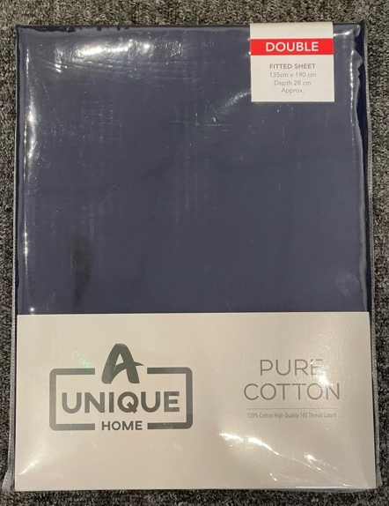
Navy | 69
Charcoal | 70
Pink | 70
White | 70
Cream | 70
Grey | 67

Double Duvet Cover Set
Sky Blue | 140
Navy | 134
Charcoal | 144
Pink | 139
White | 140
Cream | 145
Grey | 126

King Duvet Cover Set
Sky Blue | 139
Navy | 128
Charcoal | 142
Pink | 136
White | 143
Cream | 144
Grey | 128

Super King Duvet Set
Sky Blue | 69
Navy | 72
Charcoal | 72
Pink | 70
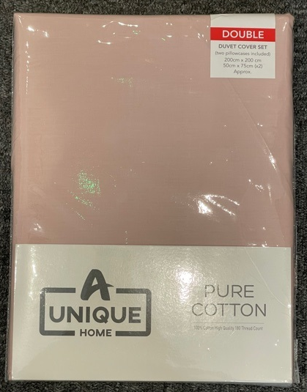
White | 64
Cream | 72
Grey | 71

Single Fitted Sheet
Sky Blue | 69
Navy | 70
Charcoal | 73
Pink | 69
White | 70
Cream | 73
Grey | 70

Double Fitted Sheet
Sky Blue | 141
Navy | 138
Charcoal | 144
Pink | 141
White | 144
Cream | 140
Grey | 134

King Fitted Sheet
Sky Blue | 144
Navy | 144
Charcoal | 144
Pink | 139
White | 143
Cream | 143
Grey | 152

Super King Fitted Sheet
Sky Blue | 72
Navy | 73
Charcoal | 72
Pink | 70
White | 71
Cream | 72
Grey | 72
 | 5891

